Sheet1
Bug ID | Description/Summary | Test Case ID | Steps to Reproduce | Expected Result | Actual Result | Severity | Priority | Screenshot
Orange HRM-Bug-1 | User got logged in successfully but user is navigated to Dashboard page instead of Myinfo tab . | TC_MyInfo_001 | 1) Launch browser 2) Open URL "https://opensource-demo.orangehrmlive.com" 3) Enter valid ESS user name 4) Enter valid password 5) Click on Login button | 1)Login successful. 2) ESS user should see Myinfo page after login is successfull. | User got logged in but navigated to dashboard instead of Myinfo tab. | Minor | P3(Low) | 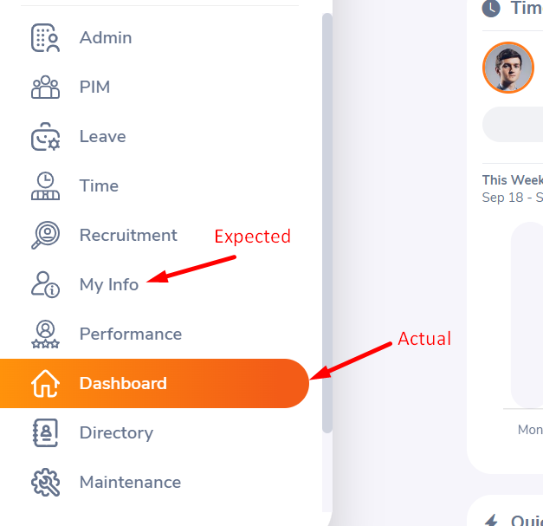
Orange HRM-Bug-2 | User can add and save mobile number or telephone number greter than 13 digits. | TC_MyInfo_032 | 1) Login to OrangeHRM as ESS user 2) Click on contact details. 3) Enter in-valid mobile number greter than 13 digits. | 1) User should not able to add mobile number greter than 13 digits. 2) Error message should be displayed | User is able to add mobile/ telephone number greter than 13 digits. | Minor | P2(Medium) | 